Sheet1
Task | Size

Navigation Framework | worked on continuously
Dashboard layout and Events | medium
Sign in | medium
Create Account | medium
Model Frameworks | Medium
Template Frameworks | small
View Frameworks | medium
Migrations to populate database | medium

Total estimated time to complete: | 7-8 days

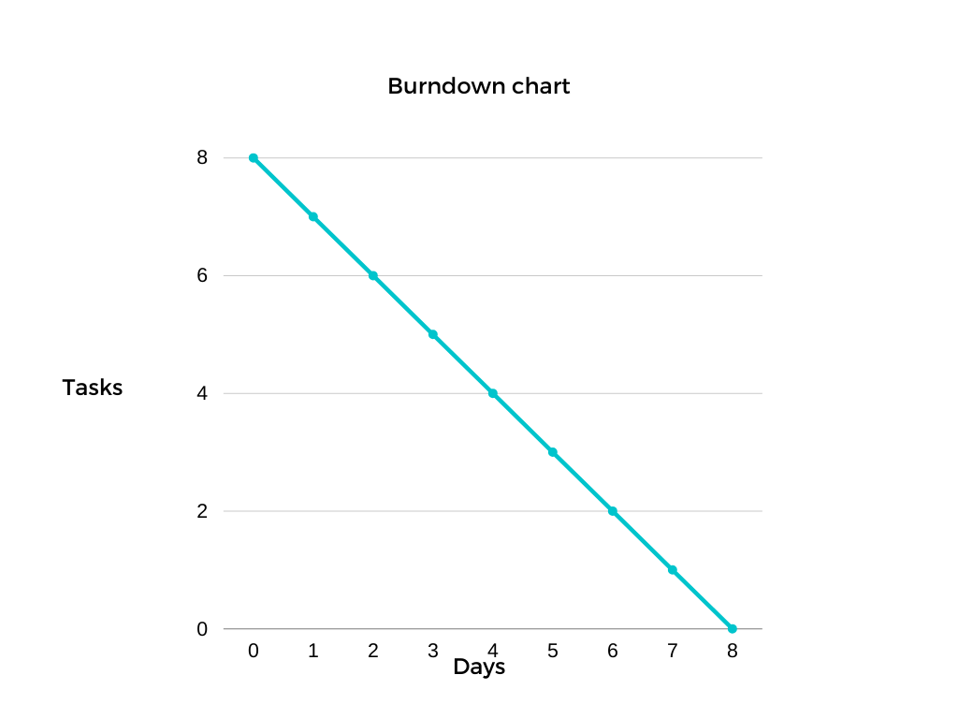
BurnDown Chart

